P1
Revenue & Sales Trend
Row Labels | Sum of REVENUE
2021 | 15252.78
2022 | 15746.59 | Average Profit Margin | 1.6
2023 | 15374.88
Grand Total | 46374.25

Total Revenue | 46374.25

P2
Top Products Performance
Row Labels | Sum of REVENUE
Coffee Beverages | 6534.52
Cold Drinks | 6284.85
Desserts | 7204.4
Sandwiches | 6756.61
Snacks | 6423.38
Specialty Drinks | 6496.38
Tea Beverages | 6674.11
Grand Total | 46374.25

Total Transactions | 9971

P3
Sales by Location

Row Labels | Sum of REVENUE
Austin | 8367.8
Chicago | 11206.32
Los Angeles | 10787.47 | Average Order Value (AOV) | 4.7
New York | 10425.45
Seattle | 5587.21
Grand Total | 46374.25

P4
Product Pricing vs. Volume
Row Labels | Average of UNIT PRICE | Sum of QTY SOLD
Coffee Beverages | 3.4 | 1902
Cold Drinks | 3.3 | 1968
Desserts | 3.6 | 2050
Sandwiches | 3.4 | 2068
Snacks | 3.2 | 2082
Specialty Drinks | 3.3 | 2034
Tea Beverages | 3.5 | 2013
Grand Total | 3.4 | 14117

 | Total Units Sold | 10070

DashBoard
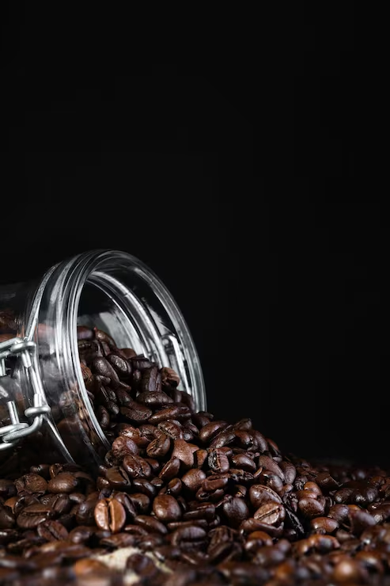
COFFEE SHOP BUSINESS DASHBOARD

Total Revenue
Total Units Sold
Total Transactions
Average Order Value
Average Profit Margin

46374.25
10070
9971
4.7
1.6

Product Pricing vs. Volume
 | Average of UNIT PRICE | Sum of QTY SOLD
Coffee Beverages | 3.4 | 1902
Cold Drinks | 3.3 | 1968
Desserts | 3.6 | 2050
Sandwiches | 3.4 | 2068
Snacks | 3.2 | 2082
Specialty Drinks | 3.3 | 2034
Tea Beverages | 3.5 | 2013
Top Products Performance
 | Total
Coffee Beverages | 6534.52
Cold Drinks | 6284.85
Desserts | 7204.4
Sandwiches | 6756.61
Snacks | 6423.38
Specialty Drinks | 6496.38
Tea Beverages | 6674.11

Revenue & Sales Trend
 | Total
2021 | 15252.78
2022 | 15746.59
2023 | 15374.88
Sales by Location
 | Total
Austin | 8367.8
Chicago | 11206.32
Los Angeles | 10787.47
New York | 10425.45
Seattle | 5587.21

